2024 launches
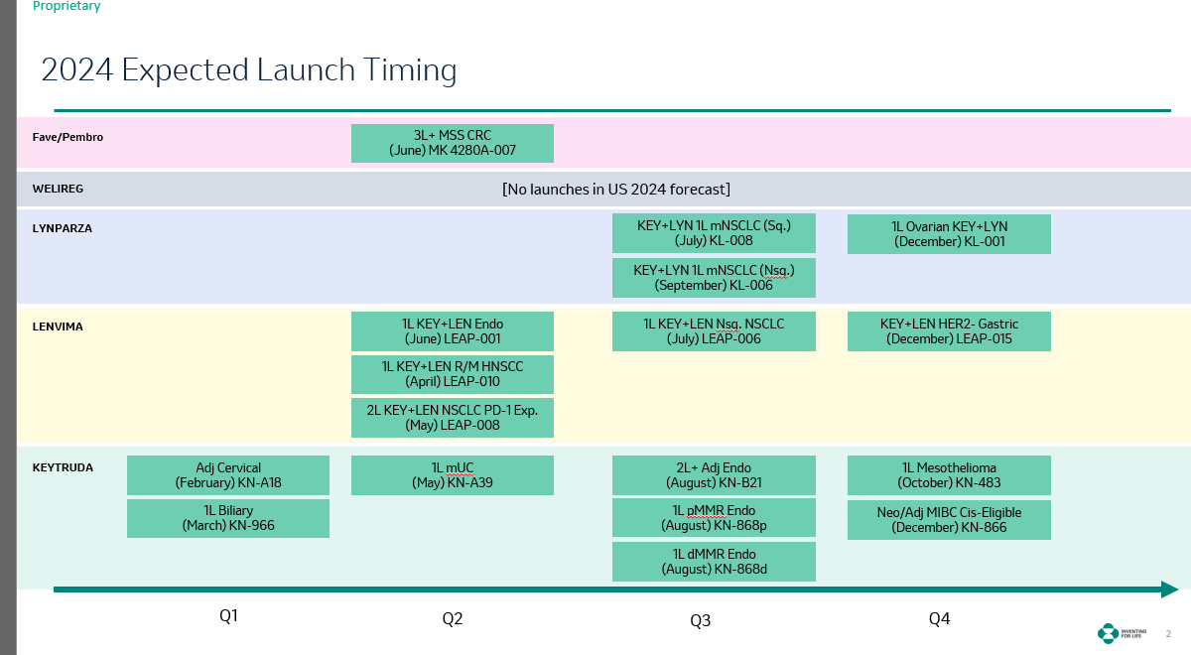
2024 launches | * we should also include Nov and Dec 2023 launches

Brand | Indication from Launch Chart | Month | Type | Indication Mapping from Domino | Count
FAVE-Keytruda | 3L + MSS CRC | June | product | MK4280A - Pembro + Lag3 | 1 |  | Sum of Count | Column Labels
Keytruda-Lynparza | 1L mNSCLC Sq. | July | indication | Key + Lyn - NSCLC | 1 | Yes | Indication/Tumor Name | indication | product | tumor | Grand Total
Keytruda-Lynparza | 1L mNSCLC Nsq. | Sept | indication | Key + Lyn - NSCLC | 0 |  | Key + Len - Gastric | 1 |  |  | 1
Keytruda-Lynparza | 1L Ovarian | Dec | indication | Key + Lyn - Ovarian | 1 | Yes | Key + Len - H&N | 1 |  |  | 1
Keytruda-Lenvima | 1L R/M HNSCC | April | indication | Key + Len - H&N | 1 |  | Key + Len - NSCLC | 1 |  |  | 1
Keytruda-Lenvima | 2L NSCLC PD-1 Exp. | May | indication | Key + Len - NSCLC | 1 |  | Key + Lyn - NSCLC | 1 |  |  | 1
Keytruda-Lenvima | 1L Endo | June | indication | Keytruda-Lenvima Endometrial | 1 |  | Key + Lyn - Ovarian | 1 |  |  | 1
Keytruda-Lenvima | 1L Nsq. NSCLC | July | indication | Key + Len - NSCLC | 0 |  | Keytruda - Biliary |  |  | 1 | 1
Keytruda-Lenvima | HER2-Gastric | Dec | indication | Key + Len - Gastric | 1 |  | Keytruda - Bladder - mUC | 1 |  |  | 1
Keytruda | Adjuvant Cervical | Feb | indication | Keytruda - Cervical | 1 | Yes | Keytruda - Cervical | 1 |  |  | 1
Keytruda | 1L Biliary | March | tumor | Keytruda - Biliary | 1 | Yes | Keytruda - Endometrial (inclusive of MSI-H, and all-comers) | 2 |  |  | 2
Keytruda | 1L mUC | May | indication | Keytruda - Bladder - mUC | 1 | Yes | Keytruda - Mesothelioma |  |  | 1 | 1
Keytruda | 2L + Adj Endo | Aug | indication | Keytruda - Endometrial (inclusive of MSI-H, and all-comers) | 1 | Yes | Keytruda - MIBC | 1 |  |  | 1
Keytruda | 1L pMMR Endo | Aug | indication | Keytruda - Endometrial (inclusive of MSI-H, and all-comers) | 1 | Yes | Keytruda-Lenvima Endometrial | 1 |  |  | 1
Keytruda | 1L dMMR Endo | Aug | indication | Keytruda - Endometrial (inclusive of MSI-H, and all-comers) | 0 |  | MK4280A - Pembro + Lag3 |  | 1 |  | 1
Keytruda | 1L Mesothelioma | Oct | tumor | Keytruda - Mesothelioma | 1 |  | Keytruda - 1L Gastric HER2- (KN859) | 1 |  |  | 1
Keytruda | Neo/Adj MIBC Cis-Eligible | Dec | indication | Keytruda - MIBC | 1 |  | Grand Total | 12 | 1 | 2 | 15
Keytruda | 1L Gastric | Dec'23 | indication | Keytruda - 1L Gastric HER2- (KN859) | 1 | * Referred 2023 Launches

 | *Dec'23 Launch | Keytruda - Neoadjuvant & Adjuvant NSCLC (KN671)

3.3 Membership Func. for Model
V2
Instructions:
MAIO team to manage this - used to transform input variables when running model in Tab 3.6
For Blythe
 | variable | in_val | truth_val |  | factors
v1 | YR1 Forecast | 0.00 | 0.00 | v1 | 1.01
v1 | YR1 Forecast | 0.02 | 0.02 | v2 | 1.01
v1 | YR1 Forecast | 0.03 | 0.03 | v3 | 1.01
v1 | YR1 Forecast | 0.10 | 0.10 | v4 | 1.01
v1 | YR1 Forecast | 0.12 | 0.12 | v5 | 1.01
v1 | YR1 Forecast | 0.50 | 0.50 | v6 | 1.01
v1 | YR1 Forecast | 1.01 | 1.00 | v11 | 1.01
v2 | YR2 Forecast | 0.00 | 0.00
v2 | YR2 Forecast | 0.03 | 0.03
V4
V5
V6
v2 | YR2 Forecast | 0.12 | 0.12
v2 | YR2 Forecast | 0.50 | 0.50
v2 | YR2 Forecast | 1.01 | 1.00
v3 | YR3 Forecast | 0.00 | 0.00
v3 | YR3 Forecast | 0.03 | 0.03
v3 | YR3 Forecast | 0.12 | 0.12
v3 | YR3 Forecast | 0.50 | 0.50
v3 | YR3 Forecast | 1.01 | 1.00
v4 | YR1 Impactable | 0.00 | 0.00
v4 | YR1 Impactable | 0.15 | 0.15
v4 | YR1 Impactable | 1.01 | 1.00
v5 | YR2 Impactable | 0.00 | 0.00
v5 | YR2 Impactable | 0.15 | 0.15
v5 | YR2 Impactable | 1.01 | 1.00
V7
 | V4
High | 1
Medium-High | 0.6
Medium | 0.3
Low | 0
V8
 | V4
High | 1
Medium | 0.4
Low | 0.2
None | 0
V9
 | v9
0 | 0
1 | 0.5
2.001 | 1
v6 | YR3 Impactable | 0.00 | 0.00
v6 | YR3 Impactable | 0.15 | 0.15
v6 | YR3 Impactable | 1.01 | 1.00
v7 | Portfolio Synergy | High | 1
v7 | Portfolio Synergy | Medium | 0.6
v7 | Portfolio Synergy | Low | 0.0
v8 | Sales Force Support | High | 1
v8 | Sales Force Support | Medium | 0.4
v8 | Sales Force Support | Low | 0.2
v8 | Sales Force Support | None | 0
v9 | Opport. Launch Yr | 0 | 0
v9 | Opport. Launch Yr | 1 | 0.5
V10
 | v10
0 | 0
1 | 0.5
2.001 | 1
v9 | Opport. Launch Yr | 2.001 | 1
v10 | Opport. Beyond Yr1 | 0 | 0
v10 | Opport. Beyond Yr1 | 1 | 0.5
v10 | Opport. Beyond Yr1 | 2.001 | 1
v11 | Competition | 0.00 | 0.00
v11 | Competition | 0.15 | 0.15
v11 | Competition | 1.01 | 1.00
v12 | Consumer Focus | High | 1
v12 | Consumer Focus | Medium | 0.5
v12 | Consumer Focus | Low | 0
v12 | Consumer Focus | None | 0

V14
BRAND MODEL ONLY
 | variable | in_val | truth_val
v13 | Strategic Brand Factor | High | 1
v13 | Strategic Brand Factor | Medium | 0.4 |  | factors
v13 | Strategic Brand Factor | Low | 0.2 | v14 | 1.01
v14 | Launch Kicker | 0 | 0.00
v14 | Launch Kicker | 0.3 | 0.30
v14 | Launch Kicker | 0.6 | 0.59
v14 | Launch Kicker | 1.01 | 1.00
v15 | Consumer Focus | High | 1
v15 | Consumer Focus | Medium | 0.4
v15 | Consumer Focus | Low | 0.1

LENVIMA MODEL ONLY
 | variable | in_val | truth_val
v16 | Portfolio Synergy | High | 1
v16 | Portfolio Synergy | Medium | 0.5
v16 | Portfolio Synergy | Low | 0.0
v17 | Consumer Focus | High | 1
v17 | Consumer Focus | Medium | 0.5
v17 | Consumer Focus | Low | 0.0

LYNPARZA MODEL ONLY
 | variable | in_val | truth_val
v18 | Portfolio Synergy | High | 1
v18 | Portfolio Synergy | Medium | 0.5
v18 | Portfolio Synergy | Low | 0.0
v19 | Consumer Focus | High | 1
v19 | Consumer Focus | Medium | 0.5
v19 | Consumer Focus | Low | 0.0

